Sample calculations
Step 3
Category level calculations
 | Benchmark |  |  | Estimation of whether the savings lies in the upper OR lower part of the benchmark |  |  | Adjustment of savings range to determine width / narrowness of range
Spend | Savings benchmark (Low) | Savings benchmark (High) | Addressable spend | Category health / maturity score (Value) | Maturity adjusted savings (low) | Maturity adjusted savings (high) | Confidence score | Confidence bucket | Confidence adj savings % (low) | Confidence adj savings % (high) | Confidence adj savings $ (low) | Confidence adj savings $ (high)
$50,000,000 | 4% | 10% | 80% | 2.5 | 6.25% | 7.75% | 56.7% | Medium | 5.38% | 8.62% | $2,153,889 | $3,446,111

Step 1 and/or User Q&A

Step 1
Step 2
Step 4
Initiative level calculations
 |  |  | Directional initiative benchmark (potential savings by implementing an initiative in isolation) |  |  | # of proof points tested, contextulized and assigned an 'Impact flag' |  |  |  |  | Initiative weightage (relative savings potential across the various initiatives)
Lever theme | Hypotheses / Initiative | Maturity score (out of 4) | Savings benchmark (low) | Savings benchmark (high) | # of proof points to test | 'Low' flag | 'Medium' flag | 'High' flag | Initiative 'Impact score' (out of 10) | Initiative 'Impact bucket' | Intermediate calc. | Initiative weightage | Initiative level savings (low) | Initiative level savings (high)
Volume bundling | Initiative 1 | 3 | 0% | 1% | 5 | 1 | 2 | 2 | 6.5 | Medium | 0.25% | 0.05 | $110,456 | $176,724
Volume bundling | Initiative 2 | 2.5 | 2% | 5% | 6 | 2 | 1 | 1 | 3.3 | Low | 3.13% | 0.64 | $1,380,698 | $2,209,046
Target pricing | Initiative 3 | 2 | 1% | 2% | 4 | 3 | 2 | 1 | 7.2 | Medium | 1.50% | 0.31 | $662,735 | $1,060,342
 |  |  |  |  |  |  |  |  |  |  |  |  | $2,153,889 | $3,446,111

Working file - for testing
Step 3
Category level calculations
 | Benchmark |  |  | Estimation of whether the savings lies in the upper OR lower part of the benchmark |  |  | Adjustment of savings range to determine width / narrowness of range
Spend | Savings benchmark (Low) | Savings benchmark (High) | Addressable spend | Category health / maturity score (Value) | Maturity adjusted savings (low) | Maturity adjusted savings (high) | Confidence score | Confidence bucket | Confidence adj savings % (low) | Confidence adj savings % (high) | Confidence adj savings $ (low) | Confidence adj savings $ (high)
$50,000,000 | 4% | 10% | 80% | 3.00 | 5.50% | 7.00% | 64.4% | Medium | 4.79% | 7.71% | $1,915,000 | $3,085,000

Step 1 and/or User Q&A

Step 1
Step 2
Step 4
Initiative level calculations
 |  |  | Directional initiative benchmark (potential savings by implementing an initiative in isolation) |  |  | # of proof points tested, contextulized and assigned an 'Impact flag' |  |  |  |  | Initiative weightage (relative savings potential across the various initiatives)
Lever theme | Hypotheses / Initiative | Maturity score (out of 4) | Savings benchmark (low) | Savings benchmark (high) | # of proof points to test | 'Low' flag | 'Medium' flag | 'High' flag | Initiative 'Impact score' (out of 10) | Initiative 'Impact bucket' | Intermediate calc. | Initiative weightage | Initiative level savings (low) | Initiative level savings (high)
Volume bundling | Initiative 1 | 1 | 0% | 1% | 5 | 1 | 2 | 2 | 6.5 | Medium | 0.75% | 0.16 | $302,368 | $487,105
Volume bundling | Initiative 2 | 4 | 2% | 4% | 6 |  | 3 | 3 | 7.5 | High | 2.00% | 0.42 | $806,316 | $1,298,947
Target pricing | Initiative 3 | 4 | 2% | 5% | 4 |  | 2 | 1 | 5.3 | Medium | 2.00% | 0.42 | $806,316 | $1,298,947
 |  |  |  |  |  |  |  |  |  |  |  |  | $1,915,000 | $3,085,000

Sample - textual outputs
# | Key inputs | Direction provided in prompts | Outputs
Step 1a | 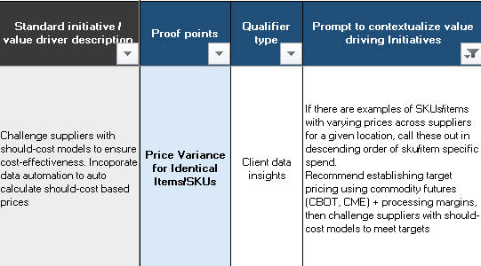 | 1. Consider the combined context of 'Standard initiative' + 'Proof point' + 'Prompt to contextualize….' 2. Use the directions in 'Prompt to contextualize….' to execute analysis 3. Describe what you found, structure this in terms of 'Inisghts' and potential 'Actions' | Insights: RAW RICEBRAN OIL (suppliers: 37, plants: 1) — price/kg 0.98-1.45 (median 1.27; spread 37%). Potential value ≈ $4,918,366 by aligning 50% volume to P25–P10 pricing. | Refined RBO Hair oil (suppliers: 10, plants: 2) — price/kg 1.24-1.77 (median 1.51; spread 35%). Potential value ≈ $1,019,151 by aligning 50% volume to P25–P10 pricing. | REFINED SUNFLOWER OIL EDIBLE (suppliers: 13, plants: 2) — price/kg 1.65-2.09 (median 1.86; spread 24%). Potential value ≈ $1,565,056 by aligning 50% volume to P25–P10 pricing. Actions: Run competitive re-bids on the cited SKUs, standardize specs, and lock indexed contracts where volatility is high. Prioritize suppliers with proven capability across Malaysia/Australia plants to converge to best-in-class pricing.
Step 1b | 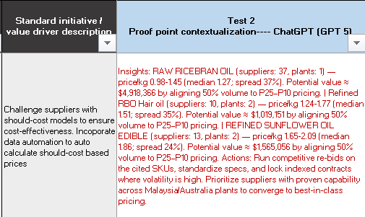 | 1. Consider the combined context of Insights/actions generated in previous step + initiative 2. Evaluate whether the insight shows evidence for savings 3. Assign a flag - high/medium/low
Step 2 | 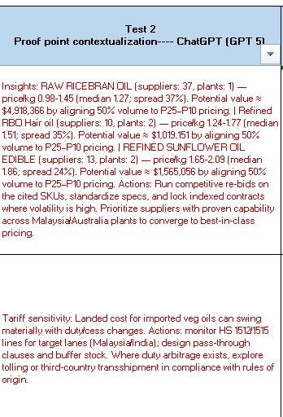 | 1. Look at a specific initiative 2. Summarize all the insights generated in Step 1A 3. Structure in the form of : - What isnights did I find? - Why is there a savings opportunity? - What should you do next? - Potential risks involved | What insights did I find? The India-Malaysia vegetable oil corridor faces dynamic trade policies, inflationary cost drivers, and volatile global prices. Current pricing models lack granularity to incorporate import duties, ASEAN trade preferences, and regional cost structures effectively. This limits negotiating power with suppliers. Why is there a savings opportunity? More intelligent and adaptable cost models can challenge supplier pricing more effectively. By incorporating trade intelligence, regional cost structures, and forecasted trends, procurement can achieve better price validation and negotiation outcomes in volatile market conditions. What should you do next? Build granular should-cost models incorporating import duties and ASEAN trade preferences. Include regional cost structures like copra, labor, and energy costs for India-based suppliers. Integrate trade intelligence and evolving tariffs, updating models regularly to reflect inflation and embedding scenario-based forecasting for geopolitical volatility. Potential risks involved Tariff volatility risk exists as India-Malaysia trade faces dynamic tariff structures (10-15% for refined oils) that could rapidly change. Trade policy uncertainties and currency-duty interactions could create compound volatility that overwhelms should-cost model accuracy, reducing procurement cost predictability.

